Registration
[Please enter the full name of the Educational Institute and branch if applicable] - VOFMUN I 2026 School Delegation
Sr. No. | Delegate Full Name | Delegate Email | Delegate Phone Number | Age | Grade / Year | First Committee Preference | Second Committee Preference | Third Committee Preference | Number of MUN conferences attended | Food Preference | Referral Code (Optional) | Health Issues/Disabilities/Access Needs/Allergies

 | Conference Fees & Inclusion |  |  |  |  |  |  | Payment Summary
 | Schools sending delegates = 155 AED Per Delegate, which includes: |  |  |  |  |  |  | No. Of Students | Enter Here
 | Full Access to the Conference: | Delegates will have the opportunity to participate in all scheduled sessions and committee debates, engaging in stimulating discussions on pressing global issues. Each student will develop their public speaking, negotiation, and diplomatic skills in a structured and professional environment. |  |  |  |  |  | Payment To Be Made | Enter Here
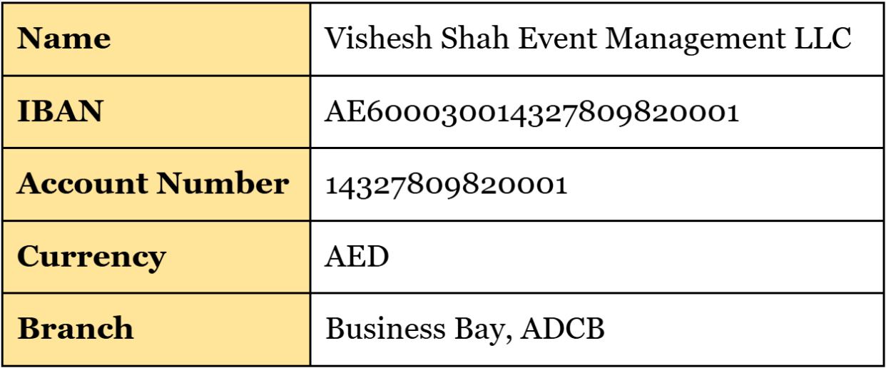
 | RefreshMENT Breaks: | In between intense committee sessions, delegates will have access to refreshment breaks, where they can enjoy a selection of snacks and beverages. These breaks serve as an opportunity to network, exchange ideas, and build connections with fellow participants.
 | Exclusive Social Event Entry: | Beyond formal debates, delegates will be invited to attend a special social event at our venue: UK College of Business & Computing, Dubai designed to foster engagement in a more relaxed and enjoyable setting. This is an excellent chance for students to form friendships, interact with peers from different schools, and create lasting memories outside of the committee rooms.
 | Comprehensive Conference Materials & Stationery: | Each delegate will be equipped with all the necessary resources, including a conference handbook, position paper guides, comprehensive background guides (authored by our experienced Chairs and Secretariat team), notepads, and stationery. These materials will support students in structuring their arguments, organizing research, and fully immersing themselves in the MUN experience.
 | 📌 Important Notice: The delegate fee is strictly non-refundable and must be processed within the designated payment period. Please ensure timely registration to secure your students' participation in VOFMUN I 2026.
 | Deadline for Registrations and Payments: March 10, 2025

 |  |  |  |  |  |  |  |  |  |  |  |  | DISEC – The First General Assembly
 |  |  |  |  |  |  |  |  |  |  |  |  | UNSC – United Nations Security Council
 |  |  |  |  |  |  |  |  |  |  |  |  | ECOSOC – Economic & Social Council
 |  |  |  |  |  |  |  |  |  |  |  |  | UNHRC – United Nations Human Rights Council
 |  |  |  |  |  |  |  |  |  |  |  |  | UNCSW – United Nations Commission on the Status of Women
 |  |  |  |  |  |  |  |  |  |  |  |  | ICJ – International Court of Justice
 |  |  |  |  |  |  |  |  |  |  |  |  | IMF – International Monetary Fund
 |  |  |  |  |  |  |  |  |  |  |  |  | UNODC – United Nations Office on Drugs and Crime
 |  |  |  |  |  |  |  |  |  |  |  |  | Clash Royale – Clash Royale Committee
 |  |  |  |  |  |  |  |  |  |  |  |  | The White House – The White House
 |  |  |  |  |  |  |  |  |  |  |  |  | FCC – Futuristic Crisis Committee
 |  |  |  |  |  |  |  |  |  |  |  |  | F1 – Formula 1
 |  |  |  |  |  |  |  |  |  |  |  |  | OMA – Organization of Music Artists
 |  |  |  |  |  |  |  |  |  |  |  |  | CSC – Crisis Space Council
 |  |  |  |  |  |  |  |  |  |  |  |  | CAIE – Council on Artificial Intelligence Ethics
 |  |  |  |  |  |  |  |  |  |  |  |  | IPC – International Press Corps
 |  |  |  |  |  |  |  |  |  |  |  |  | IPMC – Indian Prime Minister’s Cabinet

